Calculations
National Grid cumulative additions (2035)
From pixel analysis:
100 GW = 88 pixels
2035 battery additions: 24 pixels
2035 battery additions: |  |  | BAU national | 2019 (GW) | 2035(GW) | 2050 (1.5x)
27 GW |  |  |  | 1.71 | 27 | 40.5

 |  |  | Potential National (x1.5) | 2019 (GW) | 2035(GW) | 2050 (GW)
 |  |  |  | 1.7131821943 | 221.39 | 515.96

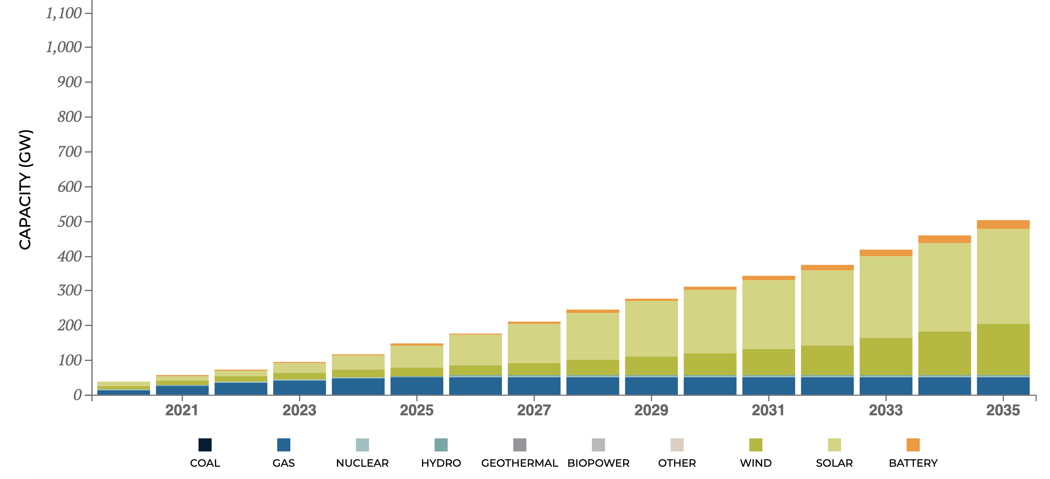

State
CA
 | 2019 | 2035 | 2050
Percent of national |  | 0.091439416935 | 0.063554051327
MW BAU | 444.98 | 2468.8642572 | 2573.9390787
MW Potential | 444.98 | 20244.192118 | 32791.591637

 | 2019 | 2020 | 2021 | 2022 | 2023 | 2024 | 2025 | 2026 | 2027 | 2028 | 2029 | 2030 | 2031 | 2032 | 2033 | 2034 | 2035 | 2036 | 2037 | 2038 | 2039 | 2040 | 2041 | 2042 | 2043 | 2044 | 2045 | 2046 | 2047 | 2048 | 2049 | 2050
BAU | 444.98 | 571.47276608 | 697.96553215 | 824.45829823 | 950.95106431 | 1077.4438304 | 1203.9365965 | 1330.4293625 | 1456.9221286 | 1583.4148947 | 1709.9076608 | 1836.4004269 | 1962.8931929 | 2089.385959 | 2215.8787251 | 2342.3714912 | 2468.8642572 | 2475.8692453 | 2482.8742334 | 2489.8792215 | 2496.8842096 | 2503.8891977 | 2510.8941858 | 2517.8991739 | 2524.904162 | 2531.9091501 | 2538.9141382 | 2545.9191263 | 2552.9241144 | 2559.9291025 | 2566.9340906 | 2573.9390787

 | 2019 | 2020 | 2021 | 2022 | 2023 | 2024 | 2025 | 2026 | 2027 | 2028 | 2029 | 2030 | 2031 | 2032 | 2033 | 2034 | 2035 | 2036 | 2037 | 2038 | 2039 | 2040 | 2041 | 2042 | 2043 | 2044 | 2045 | 2046 | 2047 | 2048 | 2049 | 2050
Potential | 444.98 | 1553.1344903 | 2661.2889806 | 3769.443471 | 4877.5979613 | 5985.7524516 | 7093.9069419 | 8202.0614323 | 9310.2159226 | 10418.370413 | 11526.524903 | 12634.679394 | 13742.833884 | 14850.988374 | 15959.142865 | 17067.297355 | 18175.451845 | 19221.043626 | 20266.635406 | 21312.227187 | 22357.818967 | 23403.410747 | 24449.002528 | 25494.594308 | 26540.186089 | 27585.777869 | 28631.36965 | 29676.96143 | 30722.553211 | 31768.144991 | 32813.736772 | 33859.328552

For Webapp:

State | 2050 BAU | 2050 Potential | 2019 SYC
AL | 1083.6473984 | 13805.502726 | 1
AK | 0 | 0 | 0
AZ | 907.65806391 | 11563.425422 | 78.3
AR | 443.26332163 | 5647.1071716 | 0
CA | 2573.9390787 | 32791.591637 | 444.98
CO | 643.47705493 | 8197.7996244 | 1
CT | 82.643363334 | 1052.8638554 | 1.6
DE | 155.21025776 | 1977.3550323 | 0
FL | 1896.6493676 | 24163.023925 | 14
GA | 1556.1825007 | 19825.527923 | 1
HI | 0 | 0 | 0
ID | 1011.1791771 | 12882.268629 | 3.09
IL | 1401.7883313 | 17858.569731 | 112.4
IN | 1686.2356218 | 21482.384868 | 23
IA | 1230.6757026 | 15678.620916 | 0
KS | 194.04156876 | 2472.0600173 | 0
KY | 1330.5983598 | 16951.620342 | 0
LA | 953.59202585 | 12148.617098 | 0.5
ME | 19.415843565 | 247.35488837 | 16.2
MD | 1053.0417571 | 13415.591519 | 13
MA | 395.77121173 | 5042.0649285 | 29.5
MI | 1298.8557713 | 16547.224602 | 1
MN | 456.16536001 | 5811.4771744 | 1
MS | 563.97909217 | 7185.0076932 | 0
MO | 1007.4959003 | 12835.344244 | 2.2
MT | 333.99426846 | 4255.0360849 | 0
NE | 141.94100873 | 1808.3068218 | 0
NV | 380.23377895 | 4844.1204025 | 10
NH | 76.786155272 | 978.24391722 | 0
NJ | 235.48162351 | 3000 | 320.8
NM | 451.64099799 | 5753.8374917 | 3.6
NY | 649.40414423 | 8273.309839 | 254
NC | 2088.897462 | 26612.235352 | 1
ND | 78.985659323 | 1006.2652637 | 0
OH | 2037.8761861 | 25962.232072 | 53
OK | 621.52644475 | 7918.1521957 | 0
OR | 584.20005007 | 7442.6196154 | 30.14
PA | 734.79882317 | 9361.2250359 | 30.4
RI | 93.879027868 | 1196.0045094 | 0
SC | 1357.0293994 | 17288.34776 | 4
SD | 161.32636846 | 2055.2733507 | 0
TN | 504.16433045 | 6422.9767436 | 0
TX | 4414.0832227 | 56234.747624 | 105.2
UT | 123.63174256 | 1575.0495608 | 0
VT | 5.4582916538 | 69.537803916 | 2
VA | 704.49340349 | 8975.1386073 | 0
WA | 807.98096929 | 10293.554426 | 89.78
WV | 143.61119285 | 1829.5847129 | 65.5
WI | 824.57657321 | 10504.979891 | 0
WY | 998.49274509 | 12720.645419 | 0

CA specific
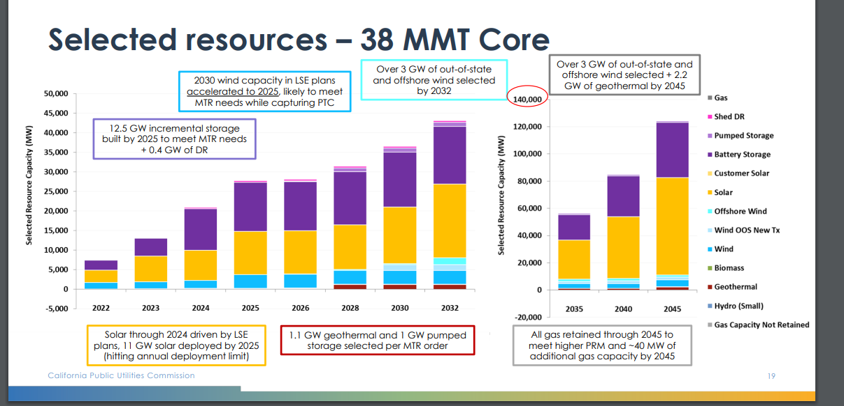
https://www.cpuc.ca.gov/-/media/cpuc-website/divisions/energy-division/documents/integrated-resource-plan-and-long-term-procurement-plan-irp-ltpp/2019-2020-irp-events-and-materials/inputs--assumptions-2019-2020-cpuc-irp_20191106.pdf |  |  |  |  |  |  |  |  |  | https://www.cpuc.ca.gov/-/media/cpuc-website/divisions/energy-division/documents/integrated-resource-plan-and-long-term-procurement-plan-irp-ltpp/2019-2020-irp-events-and-materials/psp-resolve-ruling-presentation.pdf

IRP Scenario
RESOLVE Model | CPUC IRP RESOLVE_Results_Viewer_2021-08-17_FINAL

 | Unit |  | 2015 | 2016 | 2017 | 2018 | 2019 | 2020 | 2021 | 2022 | 2023 | 2024 | 2025 | 2026 | 2027 | 2028 | 2029 | 2030 | 2031 | 2032 | 2033 | 2034 | 2035 | 2036 | 2037 | 2038 | 2039 | 2040 | 2041 | 2042 | 2043 | 2044 | 2045
Battery Storage | MW |  | - | - | - | - | - | - | - | 2,571 | 4,604 | 10,349 | 12,082 | 12,082 | - | 13,202 | - | 13,466 | - | 14,944 | - | - | 18,626 | - | - | - | - | 28,724 | - | - | - | - | 40,749

 | 2022 | 2023 | 2024 | 2025 | 2026 | 2028 | 2030 | 2032 | 2035 | 2040 | 2045
Summary for linear trend | 2,571 | 4,604 | 10,349 | 12,082 | 12,082 | 13,202 | 13,466 | 14,944 | 18,626 | 28,724 | 40,749

 | 2021 | 2022 | 2023 | 2024 | 2025 | 2026 | 2027 | 2028 | 2029 | 2030 | 2031 | 2032 | 2033 | 2034 | 2035 | 2036 | 2037 | 2038 | 2039 | 2040 | 2041 | 2042 | 2043 | 2044 | 2045 | 2046 | 2047 | 2048 | 2049 | 2050
Potential | 2,912 | 4,319 | 5,727 | 7,135 | 8,543 | 9,951 | 11,358 | 12,766 | 14,174 | 15,582 | 16,990 | 18,397 | 19,805 | 21,213 | 22,621 | 24,028 | 25,436 | 26,844 | 28,252 | 29,660 | 31,067 | 32,475 | 33,883 | 35,291 | 36,699 | 38,106 | 39,514 | 40,922 | 42,330 | 43,738

